Sheet1
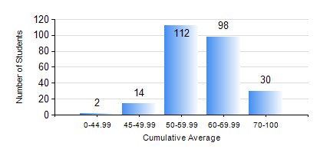
 |  |  | KWAME NKRUMAH UNIVERSITY OF SCIENCE AND TECHNOLOGY, KUMASI Department of Computer Engineering

 |  |  | BSC. COMPUTER ENG.

 |  |  | COMPREHENSIVE RECORD OF EXAMINATION RESULTS

 |  |  | RESULTS OF YEAR 1 SECOND SEMESTER, 2024/2025 ACADEMIC YEAR

 | Sn | Course Code |  | Course Name | Credit Hours | Min. Mark | Max. Mark | Avg. Mark | Std. Dev. | No. Passed | No. Trailed | No. (Df) | No. (I) | No. (I*) | No. Tagged(I,I*,Df) | Total
 | 0. |  |  |  |  |  |  | 0 | 0 | 0 | 0 | 0 | 0 | 0 | 0 | 2
 | 1. | COE 152 |  | BASIC ELECTRONICS | 3 | 25 | 91 | 65 | 10.28 | 252 | 2 | 0 | 0 | 0 | 0 | 254
 | 2. | COE 158 |  | INTRODUCTION TO INFORMATION TECHNOLOGY | 2 | 21 | 95 | 69 | 14.32 | 247 | 7 | 0 | 0 | 0 | 0 | 254
 | 3. | EE 156 |  | ELECTRICAL ENG. DRAWING | 2 | 23 | 88 | 63 | 12.56 | 247 | 7 | 0 | 0 | 0 | 0 | 254
 | 4. | EE 172 |  | ELECTRICAL MACHINES | 3 | 24 | 79 | 49 | 10.79 | 228 | 26 | 0 | 0 | 0 | 0 | 254
 | 5. | ENGL 158 |  | COMMUNICATION SKILLS II | 2 | 22 | 83 | 66 | 9.19 | 252 | 2 | 0 | 0 | 0 | 0 | 254
 | 6. | MATH 152 |  | CALCULUS WITH ANALYSIS | 4 | 56 | 87 | 66 | 6.81 | 254 | 0 | 0 | 0 | 0 | 0 | 254

